Transit Calculator
The Kroger Co.
Direct Import Transit Guideline
&
Lead Time Calculator
2018-2019
Fill in the Yellow Cells
 |  |  |  |  | #N/A | #N/A
 |  |  |  |  | #N/A | #N/A
 | Fiscal Year |  |  |  | #N/A | #N/A
 | Period Number
 | FOB Origin
 | Kroger or FM Order | column indicator

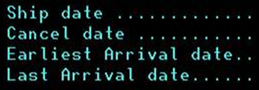
 |  |  | #VALUE!
 |  |  |  | <<1st Monday of the period
 |  |  | #VALUE!

